calculation
 | Manual : fill in the box in yellow, | you'll get the results in the blue boxes below. |  |  |  | The summary tab to print (blue) allows you to have a clean version to present to your manager
 | * IC = Engineers and Managers

 | CFTC July 2022 |  | To fill |  | calculation
Date |  |  | 2022-12-21
 |  |  |  |  | Median Pay from July 2022
Data to fill in
 |  | FAMILY NAME | JULLIENS
 |  | GIVEN NAME | ALBERT
 |  | Job Title and/or job code of job held : | IAB2
Socio-Professional Category (Worker, ATAM or IC*) |  |  | ATAM |  |  |  |  | Très performant
Job Grading : Group for OATAM or Grad for IC* |  |  | 9 | 1.0 |  |  |  | Performant
 | What is your qualification (coefficient for OATAM or position for IC*) |  | 225 | 1.0 |  |  |  | Compétent


 | Enter your Gross Basic Monthly Pay (SMB) €/month |  | 2300 |  |  |  |  | Non Performant
 | Excluding fixed or seniority bonuses |  |  |  |  |  | CFTC Schneider Electric | 1
 | For IC* and for some ATAM, add your potential STIP or SIP targeted (%) |  | 0% |  |  |  |  | 2
Number of years spent in the current job |  |  | 7 |  |  |  | At your side throughout your carreer | 3

Performance Evaluation received in 2022 at the annual review for 2021 |  | 2022 | Performer

Your Proficiency Level
 |  | Evaluation 2021 : |  | Performer
 |  | At least, you seem to master your position and close to be a specialist

 | Masters qualification for your job group or grad |  | 190 |  | your qualification level is already above that corresponding to the mastery of your job

 | ==> Your Gross Annual Pay, including STIP or SIP (SAB) - k€/year |  | 27.6 | k€/an

Compare your pay with the market price for the job (proficiency pay)
 | Median Market Pay for your job in accordance with its grading |  | 27.1 | k€/year

 | Pay Difference in the Job ESP |  | 1.8% |  | Your Pay is higher than the Market Pay for your Job
 | Your Compa ratio (Ratio between your Gross Pay and the Market Pay) |  | 1.02 |  | A compa ratio close to 1 means that your Pay is close to the Market Pay

Comparison with the average SEI-SEF salary for a given qualification (coefficient or position)
 | Average Monthly Pay of SEI-SEF employees with the same qualification |  | 2,567 | €
 | If applicable, Average Target STIP / SIP |  | 0.0%
 | Average Yearly Pay of SEI-SEF employees with the same qualification |  | 31 | K€

 | Pay difference between your Pay and the average Pay with same qualification |  | -10.40% |  | Your pay is lower than the average pay of SEI-SEF employees with the same qualification-10,4%

OATAM's Tables
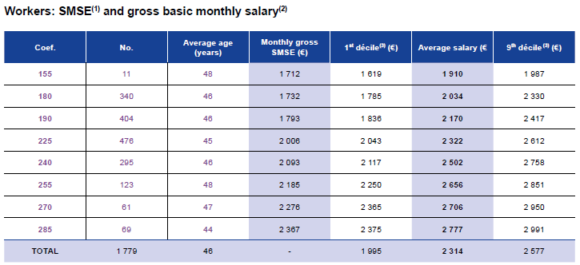
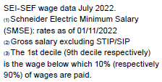
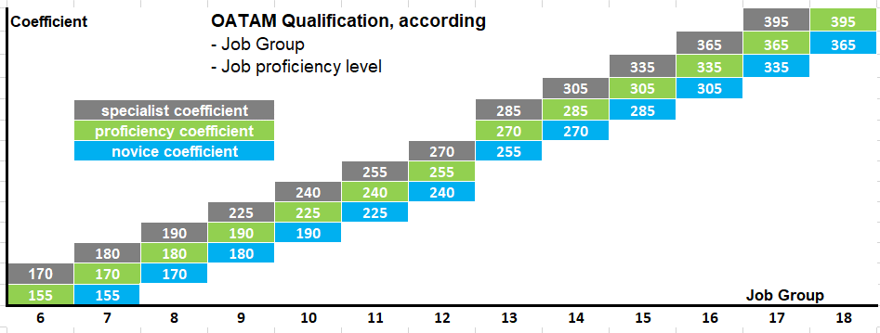

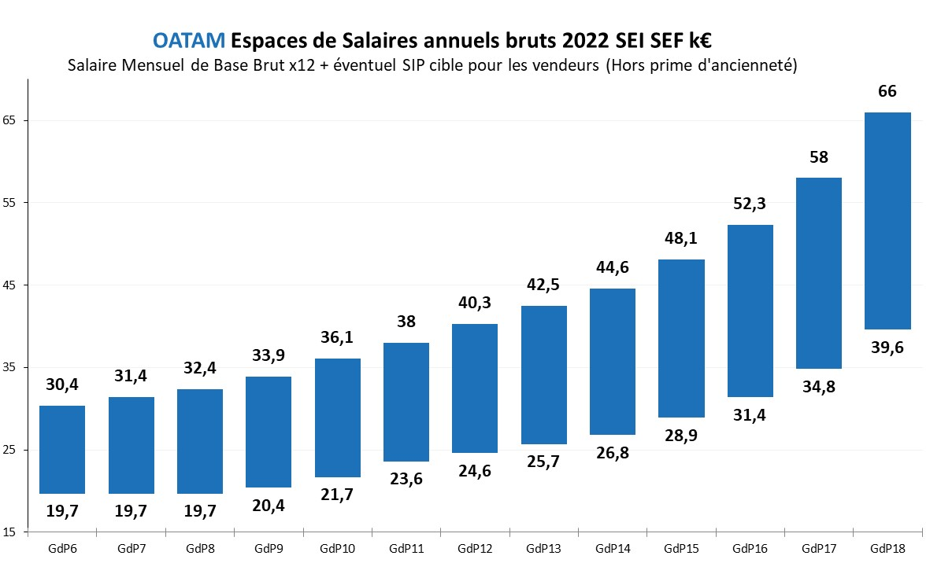

OATAM Gross Annual Pay Spaces 2022 SEI SEF k€
Gross basic Monthly Pay x 12 + Potential target STIP or SIP (excluding seniority bonuses)

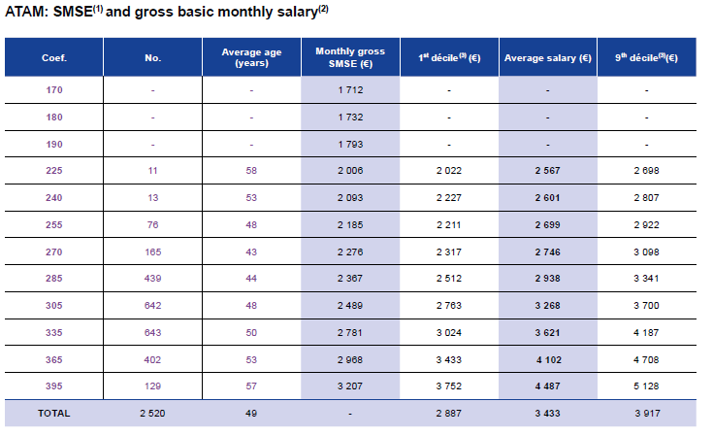

Gross Basic Monthly Pay
(Excluding fixed or seniority bonuses)

SEI-SEF - July 2022 - Pay data

I&C'sTables
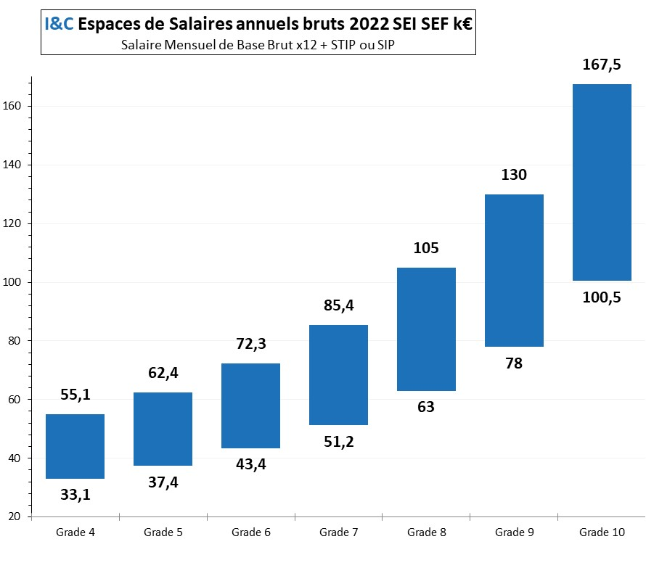
I&C Gross Annual PAy Spaces 2022 SEI SEF K€
Gross Basic Monthly Pay x12 + Target STIP or SIP
NP : PAy for grad 11, 12 o 13 have not been communicated
 | Salaire médian du marché, en italique

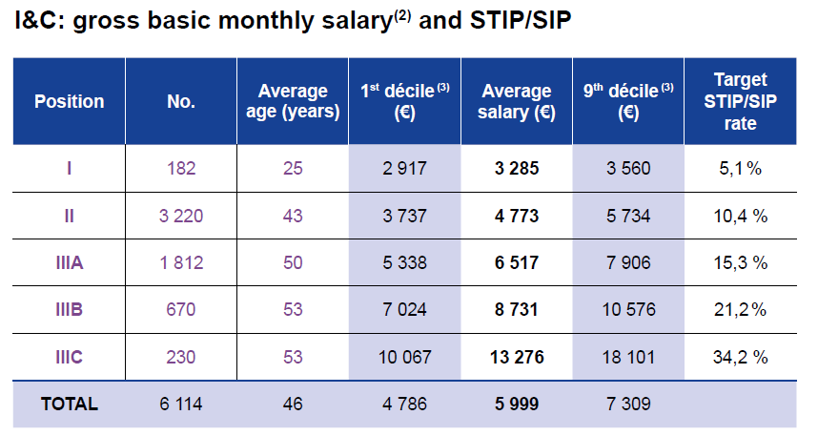

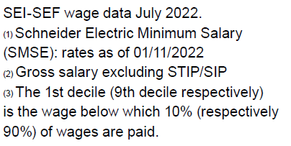
Gross Basic Monthly Pay
(excluding bonuses)
Rate Target STIP / SIP (I&C)
SEI-SEF - July 2022

