OATAM's Table
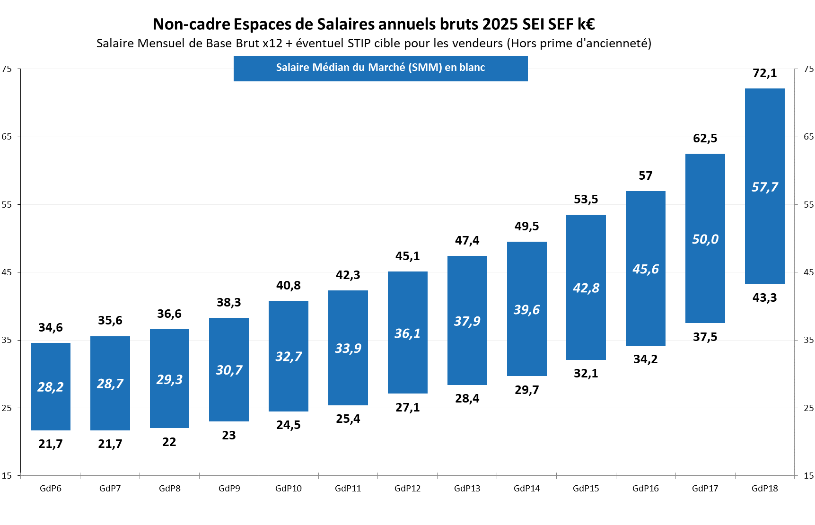

Cadre's Table
